Summary
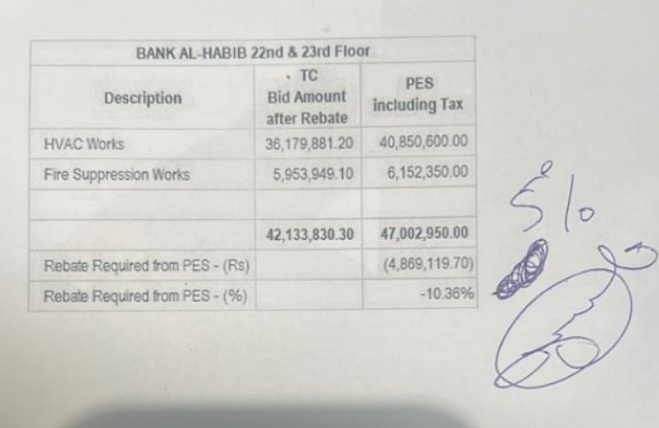
 |  |  |  | Bank Al-Habib Limited

HVAC & Fire Fighting Work |  |  |  | 6-Oct-23
22nd & 23rd Floor Centerpoint Karachi

SUMMARY OF RUNNING BILL NO 1

S.No | Description | Material | Labour | Amount
1 | HVAC 22nd Floor | 13,125,994 | 1,004,057 | 14,130,050
2 | HVAC 23rd Floor | 12,293,465 | 844,754 | 13,138,218
 | Total Amount HVAC |  |  | 27,268,268

3 | Fire Fighting 22nd Floor | 2,234,704 | 494,449 | 2,729,153
4 | Fire Fighting 23rd Floor | 1,223,172 | 275,928 | 1,499,100
 | Total Amount Fire Fighting |  |  | 4,228,253

 | Grand Total Amount | 28,877,334 | 2,619,187 | 31,496,521

 |  |  |  | 31,455,571.00
 |  |  |  | (40,950)

